Costs Summary
Undiscounted Project Costs (All Values in 2015$)

Project Costs
Project Element | Total (2015$)

HANOVER STREET NORTH OF MCCOMAS STREET | $20,623,000
MCCOMAS STREET FROM HANOVER STREET TO KEY HIGHWAY | $34,009,000
MCCOMAS STREET AT KEY HIGHWAY INTERSECTION | $17,560,000
I-95 SB OFF RAMP TO KEY HIGHWAY | $13,818,000
I-95 SB OFF RAMP TO MCCOMAS STREET | $43,910,000
MCCOMAS STREET ON RAMP TO I-95 SB | $28,830,000
CSX TRACK RELOCATION | $19,465,000
NATIONAL ENVIRONMENTAL POLICY ACT AND INTERSTATE ACCESS POINT APPROVAL STUDY | $5,074,000
Total = | $183,289,000
Source: MDTA

Project Element | Start of Procurement | Construction Schedule |  | Duration (months) | Capital Cost - Annual Expenditures (in 2015$)
 |  | Begin | End |  | 2017 | 2018 | 2019 | 2020 | 2021 | 2022 | Total (2015$)
HANOVER STREET NORTH OF MCCOMAS STREET | 4-Jan-18 | 6-Apr-20 | 4-Jun-21 | 14 |  |  |  | $13,257,643 | $7,365,357 |  | $20,623,000
MCCOMAS STREET FROM HANOVER STREET TO KEY HIGHWAY | 4-Jan-18 | 7-Jul-20 | 27-Apr-22 | 22 |  |  |  | $9,275,182 | $18,550,364 | $6,183,455 | $34,009,000
MCCOMAS STREET AT KEY HIGHWAY INTERSECTION | 4-Jan-18 | 6-Mar-20 | 3-Nov-20 | 8 |  |  |  | $17,560,000 |  |  | $17,560,000
I-95 SB OFF RAMP TO KEY HIGHWAY | 6-Jul-18 | 4-Nov-20 | 7-Apr-22 | 17 |  |  |  | $1,625,647 | $9,753,882 | $2,438,471 | $13,818,000
I-95 SB OFF RAMP TO MCCOMAS STREET | 4-Jan-18 | 6-May-20 | 5-Jul-21 | 14 |  |  |  | $25,091,429 | $18,818,571 |  | $43,910,000
MCCOMAS STREET ON RAMP TO I-95 SB | 8-Jan-19 | 7-May-21 | 28-Dec-22 | 20 |  |  |  | $11,532,000 | $17,298,000 |  | $28,830,000
CSX TRACK RELOCATION | 6-Jul-17 | 8-Oct-19 | 17-Jul-20 | 9 |  |  | $6,488,333 | $12,976,667 |  |  | $19,465,000
NATIONAL ENVIRONMENTAL POLICY ACT AND INTERSTATE ACCESS POINT APPROVAL STUDY |  |  |  |  | $1,691,333 | $1,691,333 | $1,691,333 |  |  |  | $5,074,000
Total Capital Cost = |  |  |  |  | $1,691,333 | $1,691,333 | $8,179,667 | $91,318,567 | $71,786,175 | $8,621,925 | $183,289,000
* Capital costs distribution based on the number of construction months for each year.

EmissRates MOVES2014
2015 Running Emission Rates (g/mile) |  |  |  |  |  |  |  |  |  |  |  |  |  |  |  |  |  |  |  | 2025 Running Emission Rates (g/mile)
Pollutant | Speed (mph) | Light Duty |  |  |  |  | Passenger Truck |  |  |  |  | Buses |  |  |  |  | All Trucks |  |  | Pollutant | Speed (mph)
 |  | 2- Rural restricted access | 3-Rural unrestricted access | 4-Urban restricted access | 5-Urban unrestricted access | All Rd Types | 2- Rural restricted access | 3-Rural unrestricted access | 4-Urban restricted access | 5-Urban unrestricted access | All Rd Types | 2- Rural restricted access | 3-Rural unrestricted access | 4-Urban restricted access | 5-Urban unrestricted access | All Rd Types | 2- Rural restricted access | 3-Rural unrestricted access | 4-Urban restricted access |  |  | 4-Urban restricted access | 4-Urban restricted access
CO2eq | 2.5 | 2,104.79 | 2,148.38 | 2,162.84 | 2,110.04 | 2,170.92 | 2,581.11 | 2,587.12 | 2,617.21 | 2,519.78 | 2,611.45 | 7,036.76 | 6,972.28 | 8,164.56 | 6,304.88 | 7,244.54 | 8,856.62 | 9,264.67 | 9,456.45 | CO2eq | 2.5 | 1,705.81 | 8,686.07
CO2eq | 5 | 1,160.48 | 1,213.71 | 1,202.49 | 1,192.07 | 1,218.04 | 1,423.10 | 1,461.58 | 1,455.12 | 1,423.55 | 1,465.21 | 3,759.59 | 3,529.04 | 4,245.52 | 3,191.24 | 3,719.33 | 4,599.76 | 4,675.58 | 4,810.93 | CO2eq | 5 | 948.40 | 4,419.00
CO2eq | 10 | 685.31 | 746.38 | 722.51 | 733.09 | 741.41 | 840.39 | 898.80 | 874.30 | 875.44 | 891.86 | 2,304.94 | 2,032.67 | 2,664.04 | 1,838.13 | 2,221.60 | 2,755.49 | 2,906.42 | 2,940.60 | CO2eq | 10 | 569.84 | 2,701.04
CO2eq | 15 | 540.76 | 590.60 | 570.84 | 580.10 | 586.27 | 663.13 | 711.21 | 690.76 | 692.74 | 705.24 | 1,883.21 | 1,555.18 | 2,195.01 | 1,406.34 | 1,758.39 | 2,378.79 | 2,548.37 | 2,562.31 | CO2eq | 15 | 450.21 | 2,353.57
CO2eq | 20 | 455.23 | 509.72 | 476.07 | 500.66 | 499.89 | 558.25 | 613.82 | 576.08 | 597.88 | 601.33 | 1,673.32 | 1,472.56 | 1,938.08 | 1,331.65 | 1,612.23 | 2,154.29 | 2,275.19 | 2,299.99 | CO2eq | 20 | 375.47 | 2,112.62
CO2eq | 25 | 408.74 | 455.17 | 426.12 | 447.09 | 446.89 | 501.24 | 548.13 | 515.64 | 533.90 | 537.57 | 1,535.83 | 1,409.66 | 1,752.82 | 1,274.78 | 1,506.15 | 2,022.55 | 2,092.95 | 2,132.28 | CO2eq | 25 | 336.07 | 1,958.57
CO2eq | 30 | 386.61 | 406.37 | 397.17 | 399.15 | 405.98 | 474.10 | 489.36 | 480.60 | 476.66 | 488.37 | 1,511.94 | 1,398.58 | 1,707.16 | 1,264.77 | 1,483.53 | 2,001.64 | 2,032.85 | 2,086.10 | CO2eq | 30 | 313.24 | 1,916.15
CO2eq | 35 | 386.04 | 385.41 | 388.66 | 377.11 | 389.74 | 473.40 | 464.12 | 470.31 | 450.34 | 468.83 | 1,341.34 | 1,232.65 | 1,464.20 | 1,114.72 | 1,296.02 | 1,779.68 | 1,714.58 | 1,796.47 | CO2eq | 35 | 306.53 | 1,650.11
CO2eq | 40 | 384.16 | 373.02 | 382.29 | 363.51 | 379.33 | 471.09 | 449.19 | 462.60 | 434.10 | 456.31 | 1,322.62 | 1,178.32 | 1,412.45 | 1,065.59 | 1,246.48 | 1,766.24 | 1,655.38 | 1,753.86 | CO2eq | 40 | 301.51 | 1,610.98
CO2eq | 45 | 380.40 | 363.37 | 376.40 | 353.47 | 371.00 | 466.48 | 437.58 | 455.47 | 422.10 | 446.28 | 1,302.85 | 1,136.00 | 1,369.25 | 1,027.32 | 1,206.54 | 1,751.51 | 1,608.66 | 1,718.56 | CO2eq | 45 | 296.86 | 1,578.56
CO2eq | 50 | 371.00 | 356.31 | 366.96 | 346.32 | 362.83 | 454.95 | 429.07 | 444.05 | 413.57 | 436.46 | 1,276.84 | 1,185.68 | 1,324.88 | 1,072.25 | 1,219.99 | 1,697.83 | 1,526.41 | 1,645.20 | CO2eq | 50 | 289.42 | 1,511.17
CO2eq | 55 | 361.62 | 353.10 | 357.99 | 342.80 | 357.13 | 443.46 | 425.21 | 433.20 | 409.37 | 429.60 | 1,251.53 | 1,226.32 | 1,286.80 | 1,109.01 | 1,230.08 | 1,631.93 | 1,439.34 | 1,563.87 | CO2eq | 55 | 282.34 | 1,436.47
CO2eq | 60 | 353.92 | 350.43 | 352.30 | 342.65 | 354.17 | 434.01 | 422.00 | 426.31 | 409.19 | 426.04 | 1,230.53 | 1,202.10 | 1,259.42 | 1,087.11 | 1,205.53 | 1,593.94 | 1,397.55 | 1,522.27 | CO2eq | 60 | 277.85 | 1,398.26
CO2eq | 65 | 355.02 | 352.49 | 356.90 | 346.24 | 357.65 | 435.36 | 424.47 | 431.88 | 413.47 | 430.23 | 1,293.37 | 1,299.49 | 1,345.14 | 1,175.19 | 1,294.87 | 1,642.23 | 1,471.42 | 1,588.19 | CO2eq | 65 | 281.48 | 1,458.81
CO2eq | 70 | 362.64 | 365.19 | 369.37 | 358.71 | 369.98 | 444.71 | 439.77 | 446.97 | 428.37 | 445.06 | 1,352.89 | 1,392.86 | 1,427.01 | 1,259.63 | 1,380.36 | 1,683.76 | 1,537.15 | 1,646.27 | CO2eq | 70 | 291.32 | 1,512.15
CO2eq | 75 | 374.60 | 385.70 | 387.01 | 378.86 | 389.09 | 459.37 | 464.46 | 468.32 | 452.42 | 468.04 | 1,350.84 | 1,397.32 | 1,428.77 | 1,263.67 | 1,383.34 | 1,642.84 | 1,495.17 | 1,603.36 | CO2eq | 75 | 305.23 | 1,472.74
NOx | 2.5 | 1.40 | 1.39 | 1.43 | 1.35 | 1.46 | 2.50 | 2.45 | 2.54 | 2.35 | 2.56 | 53.99 | 50.90 | 54.22 | 46.27 | 51.77 | 35.01 | 34.74 | 35.33 | NOx | 2.5 | 0.0913 | 2.7348
NOx | 5 | 1.04 | 1.05 | 1.04 | 1.02 | 1.08 | 1.87 | 1.84 | 1.84 | 1.77 | 1.91 | 26.49 | 24.69 | 26.98 | 22.45 | 25.35 | 18.50 | 18.30 | 18.82 | NOx | 5 | 0.0705 | 1.4759
NOx | 10 | 0.83 | 0.88 | 0.81 | 0.85 | 0.88 | 1.49 | 1.54 | 1.43 | 1.48 | 1.55 | 16.13 | 14.75 | 16.22 | 13.41 | 15.20 | 11.14 | 11.09 | 11.15 | NOx | 10 | 0.0566 | 0.8743
...
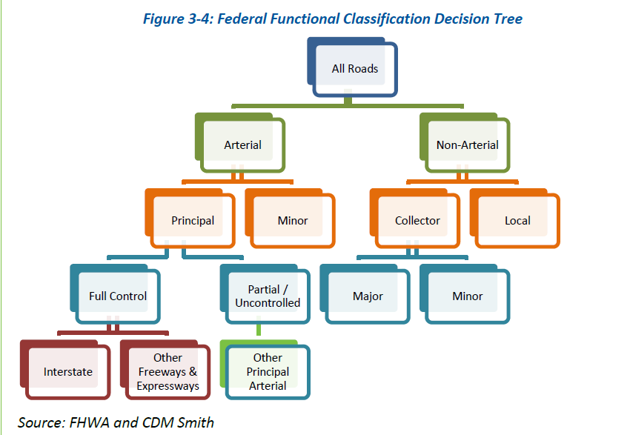
...

Pavement,NoiseMarginalCost
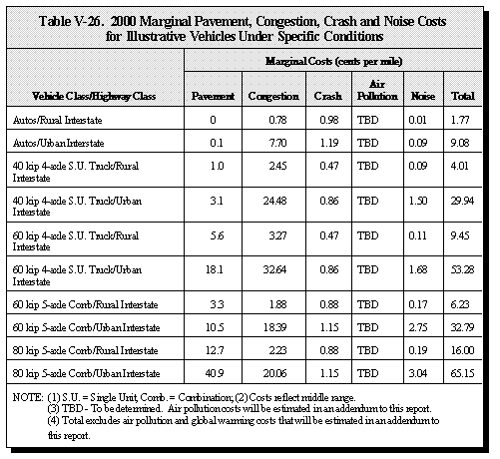
Adapted from Table V-26. 2000 Marginal External Pavement Cost (in cents per mile)
Vehicle Class/Highway Class | in 2000$
Autos/Rural Interstate | 0.0
Autos/Urban Interstate | 0.1
40 kip 4-axle S.U. Truck/Rural Interstate | 1.0
40 kip 4-axle S.U. Truck/Urban Interstate | 3.1
60 kip 4-axle S.U. Truck/Rural Interstate | 5.6
60 kip 4-axle S.U. Truck/Urban Interstate | 18.1
60 kip 5-axle Comb/Rural Interstate | 3.3
60 kip 5-axle Comb/Urban Interstate | 10.5
80 kip 5-axle Comb/Rural Interstate | 12.7
80 kip 5-axle Comb/Urban Interstate | 40.9
Source: 1997 Federal Highway Cost Allocation Study, Final Report, Table V-22
http://www.fhwa.dot.gov/policy/hcas/final/five.cfm

Estimated Marginal External Pavement Costs ( in cents per mile)
Vehicle Class | Urban Highways (Average) | CPI 2000 | CPI 2015 | Urban Highways (Average)
 | in 2000$ |  |  | in 2015$
Passenger Cars | 0.001 | 172.2 | 237.017 | 0.0014
Trucks | 0.182 | 172.2 | 237.017 | 0.2498
Note: Inflated from 2000 to 2010 dollars based on the Conusmer Price Index (CPI)

Adapted from Table V-22. 2000 Marginal External Noise Cost (cents per mile)
Vehicle Class | Urban Highways
 | High | Med. | Low
Automobile | 0.30 | 0.11 | 0.03
Pickup & Van | 0.27 | 0.10 | 0.03
Buses | 4.55 | 1.72 | 0.48
Single Unit Trucks | 3.14 | 1.19 | 0.33
...

